Sheet1
lady's padding jacket
style | shell fabric |  | lining |  | cotton | color | P | M | G | GG | total
BD-920B | 20D尼龙 |  | 超柔毛里 |  | 仿羽绒棉 | black | 336 | 672 | 672 | 336 | 2016
 |  |  |  |  |  | navy | 168 | 336 | 336 | 168 | 1008
 |  |  |  |  |  | wine red | 168 | 336 | 336 | 168 | 1008
 |  |  |  |  |  | coffee | 168 | 336 | 336 | 168 | 1008
 |  |  |  |  |  |  |  |  |  |  | 5040

size | P | M | G | GG
chest | 38 | 40 | 42 | 44
CB length | 23.5 | 24.5 | 25.5 | 26.5 | ratio |  | P | M | G | GG
sleeve length | 24 | 24.5 | 25 | 25.5 |  |  | 1 | 2 | 2 | 1
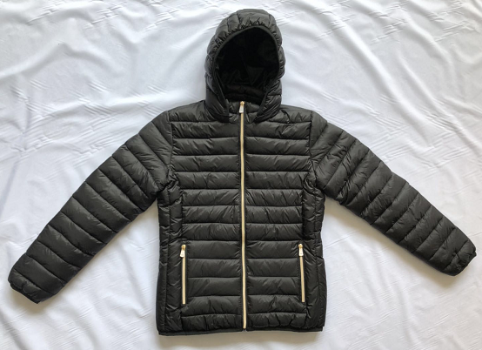
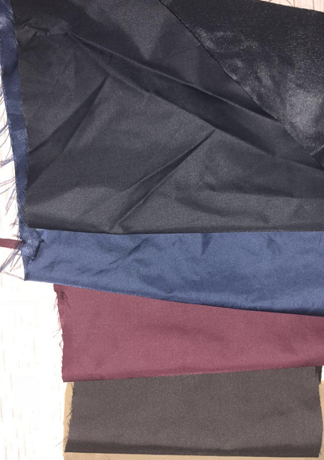

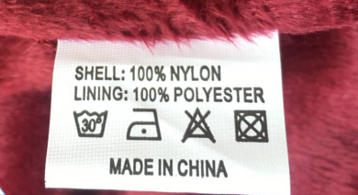

水洗标

